工作表1
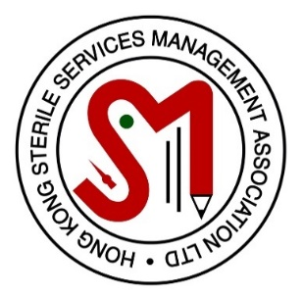
 |  |  | 香港消毒服務管理協會有限公司
 |  |  | HONG KONG STERILE SERVICES MANAGEMENT ASSOCIATION LIMITED
 |  |  | http://www.hkssma.org/
 |  |  | E-mail: hkssma97@gmail.com

 |  |  | Sponsorship Application Form

 |  |  | The World Federation for Hospital Sterilization Sciences 2020 Congress
 |  |  | WFHSS Digital Day on 26th November 2020

 | Personal Particulars
 | Name in English: | ** Mr / Mrs / Ms
 | Name in Chinese:
 | Telephone:
 | E-mail Address:
 | Organization / Hospital:
 | Department:
 | Rank:
 | Years of Service in Sterile Services :

 | Membership Information
 | Membership No.:
 | Membership Category: | ** Life / Ordinary
 | Years of HKSSMA Membership※:
 | HKSSMA Courses/Seminar Attended:
 | (Please state clearly)

 | Contribution to HKSSMA:
 | (Please state clearly)

 | Contribution to sterile services※:
 | (Please state clearly)

 | Previous sponsorship from HKSSMA for the last 3 years : ** Yes / No
 | (Please state clearly)

 | Attention:
※ | Life/Ordinary members with over 3-year membership and experience in sterile service management as at 1st Nov 2020 is eligible to apply.
※ | Presentation report or proposal for improvement of existing services would be an advantage if submitted together at time of application.
** | Delete whichever is inappropriate

 | Application Procedure:
1. | A soft copy of this completed application from in EXCEL FILE should be sent to hkssma97@gmail.com by e-mail on or before 1st Nov 2020.
2. | Successful applicants will be notified through e-mail by 8th Nov 2020

 | Enquiry:
 | Ms. K Y HO | WhatsApp : 9300 8710
 | Mr. C H Wan | WhatsApp : 9317 3259
 | E-mail Address | hkssma97@gmail.com

 | (This application form is valid till 1st Nov 2020)

 | For official use only
 | Sponsorship supported: | Yes / No
 | Chairman, Selection Board
 | Signature:

