工作表1
香港消毒服務管理協會有限公司
HONG KONG STERILE SERVICES MANAGEMENT ASSOCIATION LIMITED
http://www.hkssma.org/
E-mail: hkssma97@gmail.com
Sponsorship Application Form
"Annual Congress of the World Federation for Hospital Sterilization Sciences(WFHSS)"
21st World Sterilization Online Congress (18th -20th November 2021)
 | 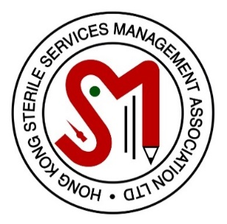

 | Personal Particulars
A. | Name in English: |  | ** Mr / Mrs / Ms
B. | Name in Chinese:
C. | Mobile No:
D. | E-mail Address:
E. | Working Organization or Hospital:
F. | Department:
G. | Rank:
H. | Years of Service in Sterile Services :

 | Membership Information
I. | Membership No.:
J. | Membership Category: | ** Life / Ordinary
K. | Years of HKSSMA Membership: | 2 / 3 / 4 / 5 / 6 / 7 / 8 / 9 / 10 / >10
L. | HKSSMA Courses Attended:
 | Please clearly state the course name and year | 1. Name | YYYY
 |  | 2. Name | YYYY
 |  | 3. Name | YYYY
M. | HKSSMA Seminar Attended:
 | Please clearly state the seminar name and year for the last 3 years | 1. Name | YYYY
 | (from 9/2018) | 2. Name | YYYY
 |  | 3. Name | YYYY
 |  | 4. Name | YYYY
 |  | 5. Name | YYYY
 |  | 6. Name | YYYY
 |  | 7. Name | YYYY
 |  | 8. Name | YYYY
N. | Contribution to HKSSMA: | ** Yes / No
 | If Yes, lease clearly state event name and year, maximum input 5 events | 1. Event | YYYY
 |  | 2. Event | YYYY
 |  | 3. Event | YYYY
 |  | 4. Event | YYYY
 |  | 5. Event | YYYY

O. | Contribution to sterile services: | ** Yes / No
 | If Yes, lease clearly state event name and year, maximum input 3 events | 1. Event | YYYY
 | (Daily duties in your department will not be considered) | 2. Event | YYYY
 |  | 3. Event | YYYY

P. | Presentation report or proposal for improvement of existing services: | ** Yes / No
 | If Yes, please clearly state event name and year | 1. Event | YYYY
 |  | 2. Event | YYYY
 |  | 3. Event | YYYY

Q. | Previous sponsorship from HKSSMA for the last 3 years (from 9/2018): | ** Yes / No
 | If Yes, please clearly state event name and year | 1. Event | YYYY
 |  | 2. Event | YYYY
 |  | 3. Event | YYYY
 |  | 4. Event | YYYY
 |  | 5. Event | YYYY

R. | Obtain approval for acceptance of sponsorship from appropriate authority | ** Yes / No / In Progress

